Dashboard
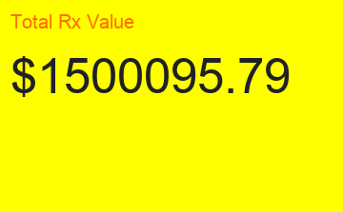
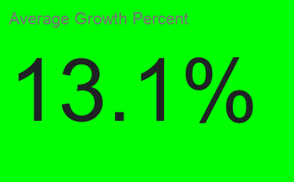
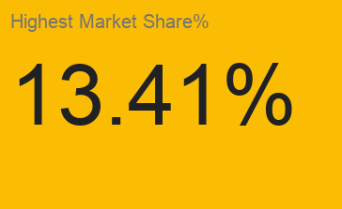
Healthcare Sales Effectiveness Dashboard

Growth Percentage Trend
Average Rx generated per call

Penetration %
Territory Wise Market Share

growthPCT_Pivot
Growth Percentage Trend

territorycallpivot
Average Rx generated per call

mkt share pivot
Territory Wise Market Share

territory_mkt_share
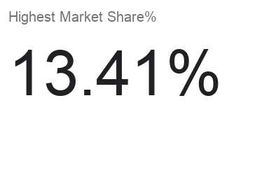
territory_id | product_id | product_territory_value | market_share_pct | product_name
10 | 1 | 474969.32 | 13.03 | CardioFlex
15 | 1 | 447167.19 | 12.27 | CardioFlex
13 | 1 | 348980.3 | 9.57 | CardioFlex
2 | 1 | 317462.16 | 8.71 | CardioFlex
4 | 1 | 252879.21 | 6.94 | CardioFlex
6 | 1 | 248579.76 | 6.82 | CardioFlex
12 | 1 | 228037.4 | 6.26 | CardioFlex
14 | 1 | 219859.9 | 6.03 | CardioFlex
8 | 1 | 187544.58 | 5.14 | CardioFlex
5 | 1 | 170857.42 | 4.69 | CardioFlex
11 | 1 | 169259.08 | 4.64 | CardioFlex
3 | 1 | 157988.1 | 4.33 | CardioFlex
1 | 1 | 157026.83 | 4.31 | CardioFlex
7 | 1 | 157054.81 | 4.31 | CardioFlex
9 | 1 | 107715.79 | 2.95 | CardioFlex
11 | 2 | 527380.19 | 12.69 | NeuroCalm
12 | 2 | 520840.59 | 12.53 | NeuroCalm
4 | 2 | 397430.04 | 9.56 | NeuroCalm
9 | 2 | 349870.29 | 8.42 | NeuroCalm
3 | 2 | 345474.67 | 8.31 | NeuroCalm
14 | 2 | 302403.77 | 7.28 | NeuroCalm
15 | 2 | 291133.15 | 7 | NeuroCalm
7 | 2 | 278032.04 | 6.69 | NeuroCalm
8 | 2 | 270985.71 | 6.52 | NeuroCalm
13 | 2 | 198934.47 | 4.79 | NeuroCalm
10 | 2 | 191858.49 | 4.62 | NeuroCalm
6 | 2 | 186474.82 | 4.49 | NeuroCalm
5 | 2 | 162428.11 | 3.91 | NeuroCalm
2 | 2 | 72210.04 | 1.74 | NeuroCalm
1 | 2 | 60920.53 | 1.47 | NeuroCalm
4 | 3 | 447753.69 | 13.41 | OncoShield
8 | 3 | 394850.67 | 11.82 | OncoShield
15 | 3 | 363700.03 | 10.89 | OncoShield
7 | 3 | 334132.28 | 10.01 | OncoShield
10 | 3 | 304604.76 | 9.12 | OncoShield
1 | 3 | 243758.71 | 7.3 | OncoShield
12 | 3 | 194716.95 | 5.83 | OncoShield
13 | 3 | 190982.05 | 5.72 | OncoShield
11 | 3 | 173299.57 | 5.19 | OncoShield
9 | 3 | 162840.97 | 4.88 | OncoShield
5 | 3 | 153696.22 | 4.6 | OncoShield
14 | 3 | 125013.59 | 3.74 | OncoShield
2 | 3 | 105966.55 | 3.17 | OncoShield
6 | 3 | 72998.46 | 2.19 | OncoShield
3 | 3 | 70901.39 | 2.12 | OncoShield
8 | 4 | 382964.54 | 10.32 | DiabeCure
9 | 4 | 365159.71 | 9.84 | DiabeCure
3 | 4 | 356168.87 | 9.59 | DiabeCure
4 | 4 | 320247.35 | 8.63 | DiabeCure
7 | 4 | 303037.75 | 8.16 | DiabeCure
14 | 4 | 252155.02 | 6.79 | DiabeCure
15 | 4 | 245291.08 | 6.61 | DiabeCure
12 | 4 | 233821.89 | 6.3 | DiabeCure
13 | 4 | 223711.06 | 6.03 | DiabeCure
10 | 4 | 215614.64 | 5.81 | DiabeCure
6 | 4 | 208457.66 | 5.62 | DiabeCure
5 | 4 | 193012.32 | 5.2 | DiabeCure
2 | 4 | 145743.8 | 3.93 | DiabeCure
1 | 4 | 137928.98 | 3.72 | DiabeCure
11 | 4 | 128966.26 | 3.47 | DiabeCure
2 | 5 | 597864.37 | 12.9 | RespiClear
4 | 5 | 528808.57 | 11.41 | RespiClear
3 | 5 | 425118.5 | 9.17 | RespiClear
15 | 5 | 394086.95 | 8.5 | RespiClear
8 | 5 | 349708.65 | 7.55 | RespiClear
12 | 5 | 343379.17 | 7.41 | RespiClear
10 | 5 | 309607.85 | 6.68 | RespiClear
13 | 5 | 294243.64 | 6.35 | RespiClear
7 | 5 | 289126.68 | 6.24 | RespiClear
14 | 5 | 280361.53 | 6.05 | RespiClear
9 | 5 | 243960.26 | 5.26 | RespiClear
11 | 5 | 207277.47 | 4.47 | RespiClear
5 | 5 | 162786.25 | 3.51 | RespiClear
6 | 5 | 104480.65 | 2.25 | RespiClear
1 | 5 | 104042.73 | 2.24 | RespiClear

